Ecodes_Macro
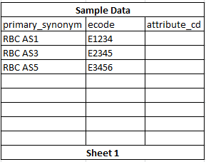
Purpose: |  |  | Priority: | 1 | Resource: | Veratti, Tatiana
The purpose of this macro is to a) ensure no duplicate records exist within the data b) associate the correct product attributes to the products entered by the user c) format the data to allow the upload scripts to function properly.

Steps:
First Check | Cycle through all products listed in primary_synonym. If there are duplicates, if there are any duplicates highlight the row (column A/B) in yellow and in column D put the row of the duplicate item
Second Check | If (A2) primary_synonym isBlank = false and (B2) ecode isBlank = false then confirm that all rows A3/B3 to the bottom of the file are also false
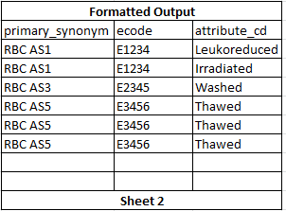
 | If there is a situation where primary_synonym isBlank = false but ecode isBlank = true then highlight (column A/B) in yellow and in column D write "The automation script cannot add and update products in a single conversation. Please add an ecode to this row or remove it.”
 | If (A2) primary_synonym isBlank = false and (B2) ecode isBlank = true then confirm that all rows A3/B3 to the bottom of the file are also false and true respectively
 | If there is a situation where primary_synonym isBlank = false but ecode isBlank = false then highlight (column A/B) in yellow and in column D write "“The automation script cannot add and update products in a single conversation. Please add an ecode to this row or remove it.”
Third Step | If primary_synonym isBlank = false and ecode = true then end the macro
 | If the above case is not true, populate (column B) with all attributes for corresponding ecodes that match the database
Fourth Step
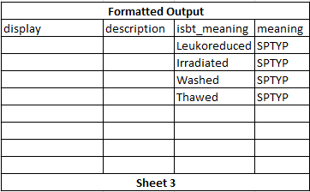

 | o Once the comparison is done, attribute data needs to be parsed and new lines added to the formatted tab
 | o The database is defined with one row per ecode, but several attributes per ecode separated by a comma
 | o For example - For mnf:noninjectable,Aphr not automated,Apheresis (three attributes)
 | o The attribute column in the ecode tab needs to be searched for a comma. Each piece of data before the comma needs to be extracted, used as the attribute and a new line created for it on the formatted tab. Remove the comma. Loop until no more comma is found and then take that last item. I may change the comma to a pipeline | in the future because it looks cooler and it’s easier to view the data in the database, so just note that portion of code down.
 | o If attribute isblank = true then only one line is necessary.
 | o For eg.

 |  | The second is that when the program is parsing the data (last phase) it should store each attribute one time (if 10 products have “Irradiated” the array needs to contain irradiated one time). After formatting has been complete, the array needs to be populated in sheet 3 with the column header “ISBT Meaning”. I appreciate you looking at this request J.

Products_CCL
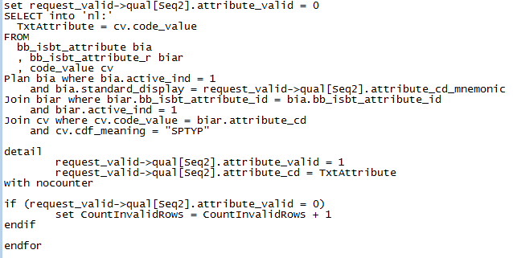
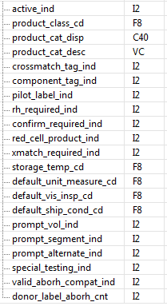
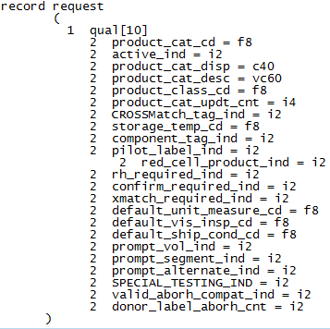
Existing Script Name: |  | bbt_add_product_category | Priority: | 2 | Resource: |  | Request Structure: | bbt_add_product_category | Request Structure: | bbt_chg_product_category
 |  | bbt_add_product_index
 |  | bbt_chg_product_category

Notes: |  |  |  |  |  | Comments:
1. Define record structures |  |  |  |  |  | Consolidate if possible (I'm not sure screen shots are accurate I pulled some from Crmspy and some from Script Explorer). I'm thinking we will need one request for adding and changing products and one for adding and changing categories. We will also need two temp record structures that match the request and a validation record structure where the data is initially written to when executing the program.
2. Load data into record structures (each bit of data in their own record structure). CNVTUPPER converting will need to happen at this point. Each _ind value will be entered as either "Y", "Yes", "N" or "No". The program will need to convert each of these responses as 1 or 0 respectively (active_ind will always be 1). product_class_cd will need to be acquired by joining code_value (code set 1606) to product_index and qualify based on the mnemonic supplied by the csv file |  |  |  |  |  | Each additional _cd will also need to be compared to their appropriate code sets default_unit_measure = 54, default_vis_insp_cd = 1655, default_ship_cond_cd = 1600. They also need to be validated that they exist. An example of how this was done to ensure the values existed and acquire code values is shown below (Example 1). If any code values do not exist in the system then the program needs to fail out and log the data to a .dat file
3. Determine whether product categories already exist in the system |  |  |  |  |  | This needs to happen within a loop. After each write to the table the system needs to re-validate that the data does/does not exist. Item 9 and 10 need to be done within a select distinct. There may be 500 items in the record structure being validated. Of those 500 lines, there may be 10 max unique product category parameters. The data is being validated on the front end to ensure all parameters are the same for ever single line. Therefore, the first product category's parameters will identically match the 50th.
4. If the product category already exists then the data stored in the record structure needs to be compared with what is already in the system. If the data is the same, then the program can ignore and write nothing, but if the data is different then the data from the record structure needs to be written to the table. execute bbt_chg_product_category |  |  |  |  |  | The justification of doing this and not failing out is that there is a lot of start content that already exists that a lot of clients use as default. If we failed this out then product category would have to be build manually
4. If the product category does not exist then execute bbt_add_product_category |  |  |  |  |  | End loop. The temp record structures need to be implemented here. The temp record structure needs to be the structure sent in the execute statement. Both the temp and the request record structure need to be written to, but after executing, the temp needs to be freed. The reasoning behind this is that the request record structure is actually only going to be used to store what exactly was written so it can be logged at the end of execution for reporting and quality purposes. If the program looped and passed this request, the first time it would contain 1 item, the second time it would contain 2 etc thus duplicating data on the table. The purpose of the temp record structure is to write only the validated line and then purge itself.
5. Begin next loop, validate that each product category in the record structure exists and that the product does not exist (as active). If product exists as inactive gather the product_cd |  |  |  |  |  | The product_cat_cd needs to be populated at this time
6. If the product exists as inactive execute bbt_modify_product_index |  |  |  |  |  | The justification of doing this is that there is a lot of start content that already exists that a lot of clients use as default. If we failed this out then all products that are already loaded into the database as inactive (1000+) would have to be built manually.
7. If product does not exist then execute bbt_add_product_index |  |  |  |  |  | The same concept described above with the temp record structure applies here as well | Request Structure: | bbt_add_product_index | Request Structure: | bbt_modify_product_index
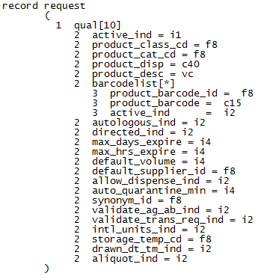
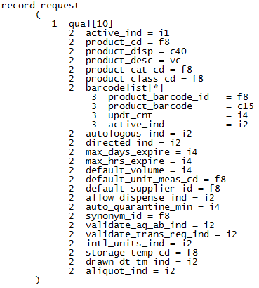
this item will not be sent from the csv file, so there is some scenario where this is 0 or 1. Further investigation on this later |  |  |  |  |  | find out how donor_label_aborh_cnt is populated from front end
8. Once all data has been validated (or if anything in step 2 fails out) those items need to be logged to a .dat file so the user can compare what was built with data collection. See example script attached.
9. Output to user completion of uploading. See example script attached.
10. If you look at any of the standard scripts included, the updt_id, updt_cnt and application context is supplied via reqinfo record structure. If it is possible, this needs to be passed in as well form the user executing the program. See attached discussion regarding where this can potentially be pulled from and whether the end user has to actually log in (this script is executed from the back end)

 | ex 1

Products_Macro
Purpose: | Priority: | 1 | Resource: | Veratti, Tatiana
The purpose of this program is to validate all product data entered and format the data correctly to be uploaded by the system in an upload script |  |  |  |  | Please use the first row of the cell (column header) and NOT the column (A, B, C etc) to read/write/check any information in the audit. In the instance that data needs to be added/removed I don't want to have to change every single piece of logic. I did some modifications to columns so they are inacurate below.
Steps: |  |  |  |  | Notes:
1. Prompt - "Would you like to perform a partial validation or a full validation? (p/f)" |  |  |  |  | cnvtupper user input to prevent case sensitivity error (accept "P", "p", "F", "f". Any of the following prompts below, allow the user to enter "-q" to quit running the program at anytime. All prompts I believe are technically Inputs. | I started putting cnvtupper in all of the fields, but note that every single textual field needs to be cnvtupper to compare and "Y" and "Yes" or "N" or "No" need to be acceptable values | Initiate num_runs variable as public this needs to record the number of times the user runs the macro
Partial Validation
2. If output = "P" or "F" then the following checks need to be done
2aa. Prompt - "Are there any Derivative product categories? (y/n)" |  |  |  |  | cnvtupper input.
2ab. If "Y", prompt - "Please enter the product category name(s). If more than one separate each by a ";" " |  |  |  |  | search the input for ";" in a loop and write each value (trimmed) to a variable - might be easier from a design standpoint to write these to an array because each variable is going to have 'property indicators' (0 or 1) that can be used later in the program to determine which categories should qualify for certain checks | These variables/arrays need to be public so the data can be accessed in another module
2ac. At the time all data is written to sheet2 (see below), product class (column A) should be "Blood Products" for any product_category that was not input above. If "N" was input, then every single product should have "Blood Products". For those product categories entered above, the column should read "Derivatives" |  |  |  |  | Initiate issue_cnt (example name..) (separate variable) for each check - each 'check' has check in the first sentence. This will be used after the program runs to create a summary of the issues found. I haven't mocked this up yet, but it will also be used for another piece at the very end of the code. Whenever a duplicate or descrepant piece of information is found, increment the respective count | move to data formatting section
2a. Check that product_name (column C) is unique. If a duplicate row is found highlight the cell yellow and in column AG write "Duplicate product found " + row# |  |  |  |  | All checks are referring to the file product_test_copy. The user will input the data into this file (ignore row 2 - this is used for CCL). Cnvtupper data to do product comparison
Note: When writing out all errors listed below ISBLANK(AG) must be true to write the error message. Otherwise check ISBLANK(AH) etc. until a row with no data is entered. This allows multiple error messages per row
2b. Indicator check - Check that autologous, directed, aliquot fields (columns T, U, V respectively) for each product only have one Yes. If a row has more than one yes highlight T, U and V yellow and in column AG write "This product may only have autologous, directed or aliquot checked." |  |  |  |  | accept values "Yes" and "Y". Cnvtupper user excel sheet to do comparisons
2c. Ecode check - Check to see if ecode (column E) is listed more than once on the spreadsheet. If it is, check autologous, directed, aliquot (columns T, U, V respectively). If there is a duplicate row then highlight E yellow and write "Duplicate ecode found in row " + row# - see notes for how duplicate rows should be calculated. cnvtupper of indicators should be used for comparison. The ecode field does not need to be compared cnvtupper |  |  |  |  | 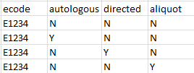 The following patterns are valid if and only if the product_name (column C) is different.
 |  |  |  |  | 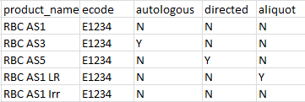 The last product in this list would be a duplicate. Each row the ecode is listed on needs to be recorded. If row 1-4 are not duplicates and row5 is a duplicate the output needs to read row#, row#, row#, row# for each duplicate row
2d. Product Category check - ensure all product_category (column B) columns have same parameters. All categories with a matching name need to have following columns compared - G (red_cell), H (require_rh), I (confirm_required), K (xmatch_required, L (default_unit_measure), M (default_ship_cond), N (prompt_vol), O (crossmatch_tag), P (component_tag), Q (pilot_label), R (prompt_segment), S (prompt_alternate). If a non-matching row is found, in AG print "Discrepant product category parameters found." |  |  |  |  | cnvtupper each field when doing comparison. I hate doing this, so unless you can think of a better way to do the comparison, the "true" set of parameters needs to be the first row of each product category. Each row needs to be compared to it. The problem is, if this first row is actually the descrepant row, every row in that category is going to be highlighted. I'm open to solutions or a more complex comparison function.
3. If user input from row4 = P and the issue_cnt associated to product duplicate (2a) and ecode duplication (2b) in partial checks is not greater than 0, Prompt - "No duplicate products or ecodes found. Would you like to format the data for the product and ecode upload? (y/n)"
3a. If input = Y, format data according to ecode formtating underneath full validation
3b. If user input from row4 = P, and input = Y format data for output |  |  |  |  | Refer to formatting guidelines underneath the full validation
3c. If all issue_cnt variables < 1 then set modification_ind = 1
4. If all issue_cnt variables < 1 and partial run (P) prompt - "Would you like to execute the Modification macro? (y/n)" elseif issue_cnt variables > 1 and num_runs > 1 then Prompt - "There are errors on the spreadsheet. Would you like to execute the Modification macro anyway?" else don't run the prompt (if issue_cnt variables >= 1 and num_runs =< 1) |  |  |  |  | If yes, execute the macro
Full Validation
1. If row4 = "F" the user is going to need to be prompted with a number of questions that will dig down to secondary questions.
2. Prompt - "Enter all product categories (separated by ;) in spreadsheet 1 - Red Cells; 2 - Cryo; 3 - Plasma; 4 - Platelets; 5 - Platelet Pheresis; 6 - Whole Blood; 7 - Derivatives 8 - Historical |  |  |  |  |  | The variables/arrays storing this data need to be public so they can be accessed by the Modification macro
2a. Loop through the following prompts for all categories input in row 22 except derivatives. For instance, if user enters 1;2;5 then each of the following questions need to be asked for 1, 2 and 5. Each product category needs two indicators, the first is the product category (from row 22), so a red cell indicator, cryo indicator, plasma etc. The second indicator each product needs is associated to the prompt questions below - Directed, Frozen, Thawed, Pooled etc. So, if a check below says "make sure all frozen products are ....." then search each product category for the frozen indicator and check each product_category associated to it for the check! This will allow additional checks to be added with ease by applying the entire check to every product in a product category. Derivative products need a derivative indicator. Whole Blood needs red cell indicator |  |  |  |  | Each category needs an indicator that associates it to one of the 7 products listed in row 22. This indicator is going to be used for some of the comparisons below - instead of having to search for every single RBC for example (there can be auto, auto dv, dir, dir dv, frozen rbc, rbc, rbc dv, etc....) the indicator can be searched and the check can be applied to every product within that category
2b. Prompt - "Autologous category exist for " + input from prompt 2? (y/n)" |  |  |  |  | input from prompt 2 means output "Red Cells", "Cryo", "Plasma" etc.
2c. If Y, Prompt - "Enter category name for autologous product" |  |  |  |  |  |  | notes
3a. Prompt - "Directed category exist for " + input from prompt 2? (y/n)" |  |  |  |  |  |  | all rbc qualifications also exist for WB
3b. If Y, Prompt - "Enter category name for directed product" |  |  |  |  |  |  | need to note in documentation that this will only update one ecode per prodct not multiple (cerner standard 1:1 ratio
4a. Prompt - "Divided category exist for " + input from prompt 2? (y/n)" |  |  |  |  |  |  | need to note in documentation neonate xm information regarding red cell xm
4b. If Y, Prompt - "Enter category name for Divided product"
5a. Prompt - "Frozen category exist for " + input from prompt 2? (y/n)"
5b. If Y, Prompt - "Enter category name for Frozen product"
5a. Prompt - "Pooled category exist for " + input from prompt 2? (y/n)"
5b. If Y, Prompt - "Enter category name for Pooled product"
6a. Prompt - "Thawed category exist for " + input from prompt 2? (y/n)"
6b. If Y, Prompt - "Enter category name for Thawed product"
Full Validation Checks
Note: Hopefully based on the way I designed the logic it was easy to see that a full validation includes the partial (shouldn't include any of the output questions etc in the last couple steps) and all the remaining checks below |  |  |  |  | Again, each of these checks need a count so a summary can be created regarding how many errors exist for each error type | Any cell that is left blank in these checks should be considered as "N"
1. Tag checks - if product has crossmatch_tag (column O) "Y" then component_tag (column P) should be "N" and visa versa. If both are "Y" then highlight the cell yellow and output "Are you sure you want to print both XM and component tags?" If both are "N" then highlight cell yellow and output "Are you sure this product does not need tags?" |  |  |  |  | There are some products where both are "N"
2. Check if confirm_required (column I) =Y for all products in product category that have a rbc indicator. If products exist in these categories that are set to N highlight the cell yellow and output "Are you sure this RBC doesn't need confirmation?"
3. Check if prompt_vol (column N) = Y for all products in product category with a platelet and thawed cryo indicator. If products exist in these categories that are set to N highlight the cell in yellow and output "Are you sure you don't want to prompt for volume?"
4. Check that red_cell (column G) = Y for all products in a product category with red cell indicator. If products exist in one of the categories with this set to N highlight the cell in yellow and output "Are you sure this isn't a Red Cell?"
5. Check that require_rh (column H) = Y for all products. If products exist with this set to N highlight the cell in yellow and output "Are you sure you don't want to confirm Rh?"
6. Check that default_storage_temp (column Z) for all products with RBC or thawed plasma indicator are set to "Refrigerated". If products exist in these categories that do not have this value highlight the column yellow and output "Are you sure the storage temperature is correct?
7. Check that default_storage_temp (column Z) for all products with frozen indicator is set to "Frozen". If produts exist in this category without this value then output "Are you sure the storage temperature is correct?
8. Check that default_storage_temp (column Z) for all products in category with platelet, pooled cryo or thawed cryo indicator have value of "Room Temp". If products exist in these categories without this value then highlight the cell yellow and output "Are you sure the storage temperature is correct?
9. Check that xmatch_required (column K) = Y for all products in category with indicator of red cell. If products exist in these categories without this value then highlight the cell yellow and output "Are you sure this doesn't need to be crossmatched?"
10 Check that valid_aborh_compat (column J) = Y for all products in category with indicator of red cell or thawed plasma or platelets. If products exist in these categories without this value then highlight the cell yellow and output "Are you sure patient product compatibility is not needed for this product?"
11. Check validate_antibody (column AA) = Y for all products in category with red cell indicator. If products exist in these categories without this value then highlight the cell yellow and output "Are you sure antibody antigen relationships shouldn't be checked?"
12. Check allow_dispense (column AC) is set to Y for any product without a frozen indicator. If products exist in these categories without this value then highlight the cell yellow and output "Are you sure this product cannot be dispensed?"
13. If user input from row4 = P and the issue_cnt associated to product duplicate (2a) and ecode duplication (2b) in partial checks is not greater than 0, Prompt - "No duplicate products or ecodes found. Would you like to format the data for the ecode upload? (y/n)"
13a. Format data according to ecode formtating underneath full validation
14. Format the data
15. If all issue_cnt variables < 1 and row4 = P prompt - "Would you like to execute the Modification macro? (y/n)" |  |  |  |  | If yes, execute the macro
Formatting
Ecode formatting - all product_name's and ecodes should be copied to ecode "ecode" tab with the hard coded column headers in the notes
max_expire needs to be separated out into two different fields - if the cell contains "days" then output those into max_expire_days (formatted product output) if the cell contains "hours" then output the numeric value into max_expire_hours.
Copy all data into formatted product output with the exception of the ecode column and the formatting specified above. Any (y/n) question check above that has a blank in it's row needs to be populated with "N"
The formatted ecode output sheet needs to be the sheet with the existing ecode macro on it |  |  |  |  | Hopefully adding sheets before the ecode sheets won't mess up the ecode macro in any way

potentially add shipping condition checks in future

Attributes CCL
Existing Script Name: | cs_add_code | Priority: | 3 | Resource:
 | bb_add_isbt_attribute_r

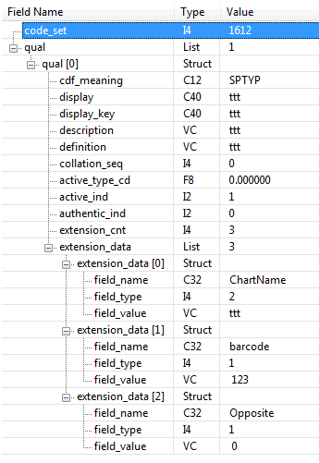
Notes: |  |  |  |  | Comments:
1. Define record structures - request / request_valid
2. Load data inoto record structure - |  |  |  |  | extension_data will be 3 always. The field names are already defined as well too. Input code_set based on uar command to gather code set | 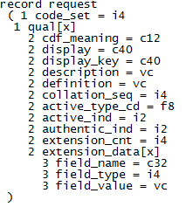
3. Confirm that value does not exist on table

